Module 2
© Copyright – System Engineering A/S
Costs to Extract Defects Calculator

 |  |  |  |  |  |  |  |  |  | "Higher quality in design leads to reduction in cost to extract defects"

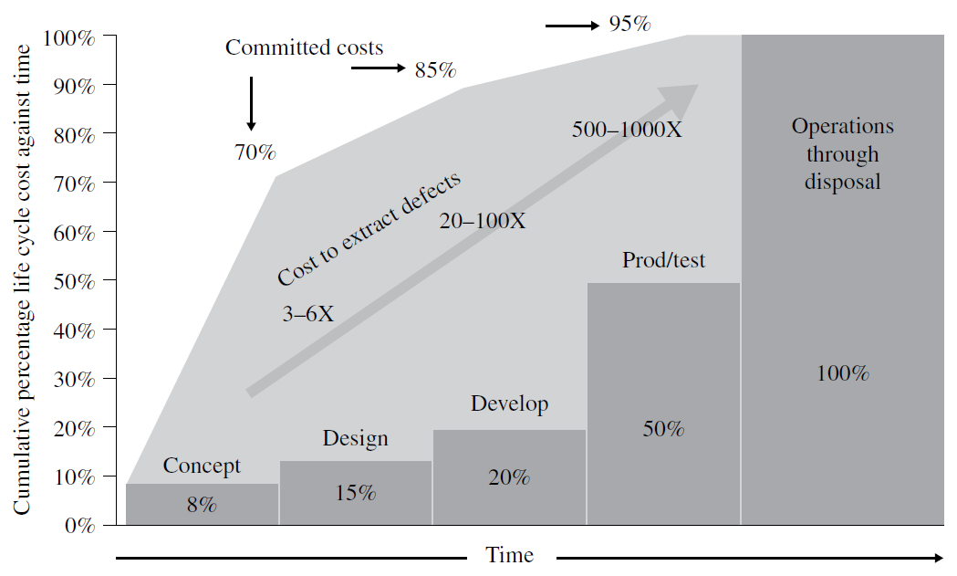
 | Potential savings on cost to extract defects |  |  |  |  | Knowledge based numbers
 |  | Project budget | € 50,000,000

 |  | Total cost of faliures/warrenty obligation | € 5,000,000 | 10.0% | <- | 26% | -> | 5%

 |  | Reduction in warrenty obligations | € 1,250,000 | 25.0% | <- | 20% | -> | 70%

 |  | Warrenty obligation level with module 2 | € 3,750,000 | 7.5%

 |  | Number of projects per year | 2
 |  | Total profit per year | € 2,500,000

 | "Improved requirements management by the Spiral Model reduces cost to extract defects"

 |  |  |  |  |  |  |  |  | INCOSE - Systems Engineering Handbook

